cover
To do;
Forecast out bear case, bull cases, better sensitivity tables
In bull case, change terminal reinvestment to g/roic |  |  |  |  | (itron sits at around 11%, meaning that terminal reinvestment would be |  |  | 20.00% | This would stop from understating the value from the no excess returns convention I currently have.

Learn more about reinvestment,and stripping out short-term acquisiton headwind in regard to sales to capital

Value per Share: DCF vs Market vs Street ($)
 | Metric | Value per Share ($)
 | DCF (implied) | $129.36
 | Market | $107.02
 | Street consensus | $131.22

 | Itron (ITRI) — DCF Sensitivity: WACC × Terminal EBIT Margin → Share Price
 | Base WACC | 8.65% | WACC step | 0.50%
 | Base Terminal Margin | 18.94% | Margin step | 1.50%

 |  | EBIT Margin ↓ / WACC → | 7.65% | 8.15% | 8.65% | 9.15% | 9.65%
 |  | 12.9% | $88.84 | $79.75 | $71.80 | $64.81 | $58.63
 |  | 14.4% | $105.37 | $95.14 | $86.19 | $78.32 | $71.34
 |  | 15.9% | $121.90 | $110.53 | $100.58 | $91.82 | $84.05
 |  | 17.4% | $138.43 | $125.92 | $114.97 | $105.32 | $96.76
 |  | 18.9% | $154.96 | $141.32 | $129.36 | $118.82 | $109.47
 |  | 20.4% | $171.49 | $156.71 | $143.76 | $132.32 | $122.18
 |  | 21.9% | $188.02 | $172.10 | $158.15 | $145.83 | $134.88
 |  | 23.4% | $204.55 | $187.49 | $172.54 | $159.33 | $147.59
 |  | 24.9% | $221.08 | $202.89 | $186.93 | $172.83 | $160.30

segments
Segment Financials — Consolidated (FY2021–FY2025)
$ in thousands, unless noted. Source: 'segments (raw)' tab (company 10-K / earnings release segment disclosures).

 | 2021A | 2022A | 2023A | 2024A | 2025A | 2026 H1 | 2026 H2 | 2026E

Device Solutions
Product Revenue | 635,103 | 433,354 | 452,718 | 473,329 | 444,598
Service Revenue | 10,001 | 5,356 | 3,008 | 3,248 | 2,483
Total Revenue | 645,104 | 438,710 | 455,726 | 476,577 | 447,081 | 235,822 | 233,464 | 469,286
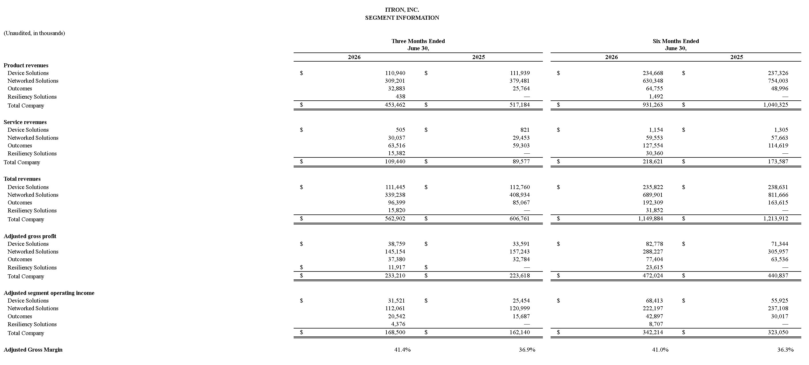
% growth | n/a | -32.0% | 3.9% | 4.6% | -6.2%
Adjusted COGS |  |  | 349,809 | 353,113 | 307,682
Gross Profit | 99,355 | 61,778 | 105,917 | 123,464 | 139,399
Gross Margin % | 15.4% | 14.1% | 23.2% | 25.9% | 31.2%
Adjusted SG&A |  |  | 13,846 | 13,627 | 13,283
Adjusted R&D |  |  | 26,381 | 16,315 | 17,399
Operating Income | 57,217 | 26,703 | 65,690 | 93,522 | 108,717
Operating Margin % | 8.9% | 6.1% | 14.4% | 19.6% | 24.3% |  |  | 29.01%

Networked Solutions
Product Revenue | 974,531 | 1,002,156 | 1,331,546 | 1,546,278 | 1,442,243
Service Revenue | 118,100 | 117,112 | 118,745 | 103,797 | 115,078
Total Revenue | 1,092,631 | 1,119,268 | 1,450,291 | 1,650,075 | 1,557,321 | 689,901 | 742,333 | 1,432,234
% growth | n/a | 2.4% | 29.6% | 13.8% | -5.6%
Adjusted COGS |  |  | 950,566 | 1,052,295 | 948,745
Gross Profit | 378,633 | 361,975 | 499,725 | 597,780 | 608,576
Gross Margin % | 34.7% | 32.3% | 34.5% | 36.2% | 39.1%
Adjusted SG&A |  |  | 26,055 | 27,676 | 27,929
Adjusted R&D |  |  | 104,749 | 113,442 | 108,247
Operating Income | 254,434 | 248,268 | 368,921 | 456,662 | 472,400
Operating Margin % | 23.3% | 22.2% | 25.4% | 27.7% | 30.3% |  |  | 32%

Outcomes
Product Revenue | 68,561 | 64,733 | 79,225 | 111,772 | 122,135
Service Revenue | 175,276 | 172,853 | 188,391 | 202,413 | 237,608
Total Revenue | 243,837 | 237,586 | 267,616 | 314,185 | 359,743 | 192,309 | 225,963 | 418,272
% growth | n/a | -2.6% | 12.6% | 17.4% | 14.5%
Adjusted COGS |  |  | 159,350 | 196,112 | 216,839
Gross Profit | 95,181 | 98,436 | 108,266 | 118,073 | 142,904
Gross Margin % | 39.0% | 41.4% | 40.5% | 37.6% | 39.7%
Adjusted SG&A |  |  | 14,428 | 15,826 | 16,921
Adjusted R&D |  |  | 43,492 | 50,517 | 48,991
Operating Income | 50,631 | 46,247 | 50,346 | 51,730 | 76,992
Operating Margin % | 20.8% | 19.5% | 18.8% | 16.5% | 21.4% |  |  | 22%

Resiliency Solutions
Product Revenue |  |  |  |  | -
Service Revenue |  |  |  |  | 3,049
Total Revenue |  |  |  |  | 3,049 | 31,852 | 34,878 | 66,730
% growth
Adjusted COGS |  |  |  |  | 732
Gross Profit |  |  |  |  | 2,317
Gross Margin % |  |  |  |  | 76.0%
Adjusted SG&A |  |  |  |  | 1,000
Adjusted R&D |  |  |  |  | 1,426
Operating Income |  |  |  |  | (109)
Operating Margin % |  |  |  |  | -3.6% |  |  | 27%
 | Note: Resiliency Solutions was first reported as a separate segment in FY2025; prior years are not broken out in the source disclosures.
Total Company
Product Revenue | 1,678,195 | 1,500,243 | 1,863,489 | 2,131,379 | 2,008,976
Service Revenue | 303,377 | 295,321 | 310,144 | 309,458 | 358,218
Total Revenue | 1,981,572 | 1,795,564 | 2,173,633 | 2,440,837 | 2,367,194
% growth | n/a | -9.4% | 21.1% | 12.3% | -3.0%
Total Segment Operating Income | 362,282 | 321,218 | 484,957 | 601,914 | 658,000
(-) Amortization of core-developed intangibles |  |  | - | - | (1,078)
(-) Corporate unallocated expenses | (441,581) | (328,657) | (356,090) | (337,804) | (343,854)
Consolidated Operating Income | (79,299) | (7,439) | 128,867 | 264,110 | 313,068
(+/-) Total other income (expense) | (44,511) | (8,304) | (1,481) | 20,421 | 29,199
Income Before Income Taxes | (123,810) | (15,743) | 127,386 | 284,531 | 342,267

